Instructions


 |  | GCF Budget Guidance & Template

Guidance

Title Lists
Before filling out the “Budget” Sheet, please populate the title data in the “Title List” Sheet.
Fill out the actual names of the Output Groups, Outputs, Activities, and List of Funding Sources in line with the inputs made in the digital module. An indicative list of Budget Categories has already been provided.
Please use this list as much as possible, however if list does not adequately address, kindly add onto the list where appropriate.
The information captured in the “Title List” will feed into the drop down lists in the “Budget” Sheet.

Budget
Convention
> Blue: hard-coded inputs (values you type in)
> Black: formulas that calculate within the same sheet
> Green: formulas that pull a value from another sheet

Budget Notes
Detailed comments on the assumptions/estimates underlying the Unit Cost/ Quantities and justifications should be provided in this sheet.

Budget Category |  | Guidance note
Staff |  | Detail daily (or monthly) rate of the specified position.
Consultant |  | To detail unit cost and duration of consultant(s) work and position.
Equipment |  | Include machinery specification, equipment name, quantity, and unit cost in budget notes and how the unit cost is arrived.
Workshop |  | Include the number of workshops anticipated, number of people attending, number of days, target group, cost per work workshop, venue cost, etc.
Travel |  | Breakdown travel cost information by number of people and cost per person and separating DSA where applicable.
Professional Services |  | Please provide the details of the professional services needed, purpose of the services, and also the basis of the cost estimates.
Materials & Goods |  | Include material and goods specification, name, quantity, and unit cost in budget notes, and how the unit cost is arrived.
Office Supplies |  | Include office supplies' name, quantity, and unit cost in budget notes, and how the unit cost is arrived.
PMU |  | PMC percentage applies on the sub-total of output groups/activities.

Project Management Cost
Please include the Project management costs (PMC) under this group and provide details of PMC.
PMC are the direct administrative costs incurred to execute a project. They should cover only incremental costs incurred due
to the GCF contribution. In most cases, these costs are directly related to the support of a dedicated project management unit (PMU) which manages
the day to day execution related activities of the project.

General Principles for PMC costs:
1. The percentage of PMC financed by GCF should not be more than the percentage share of the overall budget financed by GCF.
> The formula is: (GCF PMC/Total PMC) ≤ (GCF Financing/Total Project Cost)
2. PMC budget thresholds:
> PMC should be up to 5 per cent (5%) of the GCF funding.
> PMC exceeding 5% exceeding USD 3 million will require detailed documentation supporting the entire PMC budget.
> PMC exceeding 7.5% for the proposals up to USD 3 million will require detailed documentation and justification supporting the entire PMC budget.
3. Indicative list of eligible project management costs:
> Project staffing and consultants: Project manager, Project Assistant, Procurement personnel, Finance personnel & Support/admin personnel.
> Other direct costs: Office equipment, Mission related travel cost of the PMU, Project management systems and information technology,
 | Office supplies, Audit cost, etc.

Monitoring and Evaluation Cost (M&E Cost)
As per GCF Evaluation Policy (Decision B.BM-2021/07), the AE may budget 2-5% of the Total Cost for generation and collection of evaluative data for the project.
This budget is exclusive of interim and final evaluation costs, which are covered by AE fee.
The M&E budget should be presented in a separete budget line.

Please note that the examples provided are simplified for illustrative purposes only.
Thus, please regard the examples as a guidance, not binding examples.

AE fee request
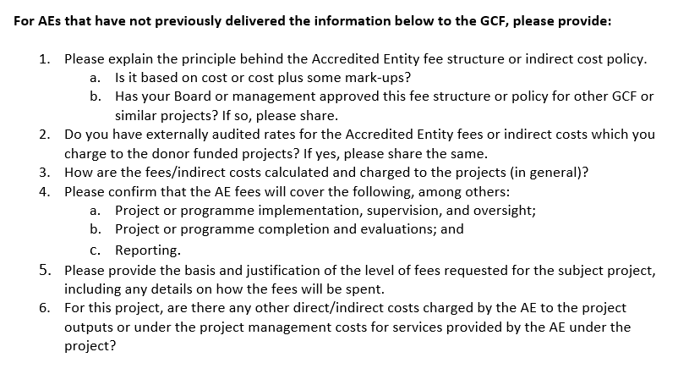
Accredited Entity Fee Request Budget
Accredited entity: | GCF Total Financing: |  |  | Total Proj. Financing (incl. GCF):
Project: | GCF grant: |  |  | Total grant:
Country: | GCF loan: |  |  | Total loan:
Duration (years) | GCF guarantee: |  |  | Total guarantee:
Year: | 1 | 2 | 3 | 4 | 5 | N
Currency: | USD/EUR/Other (Please Specify including Forex rate used)
Project/Program Implementation and Supervision
Implementation Start-Up
Appraising and finalizing project implementation arrangements, including mission travel
Assisting and advising the project proponent on the establishment of project management structure in the recipient country
Assisting project management to draft TORs and advising on the selection of experts for implementation
Advising on and participating in project start-up workshop.
Technical Supervision
Conducting supervision missions, including briefing operational focal points on project progress
Providing technical guidance, as necessary, for project implementation
As necessary, technical consultants during supervision missions to advise government officials on technical matters and provide technical assistance for the project
Overseeing procurement and financial management to ensure implementation is in line with AE’s policies and timeline
Undertaking the mid-term review, including possible project restructuring
Administrative Oversight
Disbursing funds to the Executing entities/vendors and reviewing financial reports
Assisting and overseeing the audit process throughout the project life cycle
Overseeing the preparation of the required reports for submission to the GCF Secretariat
Monitoring and reviewing project expenditure reports
Preparing periodic revisions to reflect changes in annual expense category budgets
Other (please specify):

Project/Program Completion and Evaluation
Program closure
Preparing project closing documents for submission to GCF Secretariat
Preparing the financial closure of the project for submission to GCF Secretariat
Reporting and Evaluation
Overseeing the preparation of the Project Completion Report/Independent Terminal Evaluation, submitting the report to the GCF Secretariat
Other (please specify):

Reporting, as required under AMA & FAA
Reporting requirements as agreed in the AMA and FAAs
Other (please specify):

Total

* Budget lines are indicative of the level of detail requested. Categories may be added/removed as relevant to each project.

